CCST data on capacity
BACKGROUND
 | Use work from the CCST (California Council on Science and Technology)
 | "California's Energy Future - Electricity from Renewable Energy and Fossil Fuels with Carbon Capture and Sequestration"
 | 2012
 | http://ccst.us/publications/2012/2012ccs.pdf

 | "CEC (2007) estimates that California oil and gas fields have a total CO2 sequestration potential capacity of about 5,200 MtCO2 . Abandoned oil and gas reservoirs are usually well-characterized because they were of economic interest and are known to have good containment properties (otherwise the oil or gas would have escaped)."

 | Focus is on burning of associated gas, associated with oil production, and capture of CO2 with use for enhanced oil recovery.
 | The barriers to CCS in California have been numerous, and this is the most profitable and likely first application.

 | CARB concept paper for a CCS quantification methodology
 | https://www.arb.ca.gov/cc/ccs/meetings/CCS_Concept_Paper_April_2017.pdf

 | But still no quanitification methodology in place

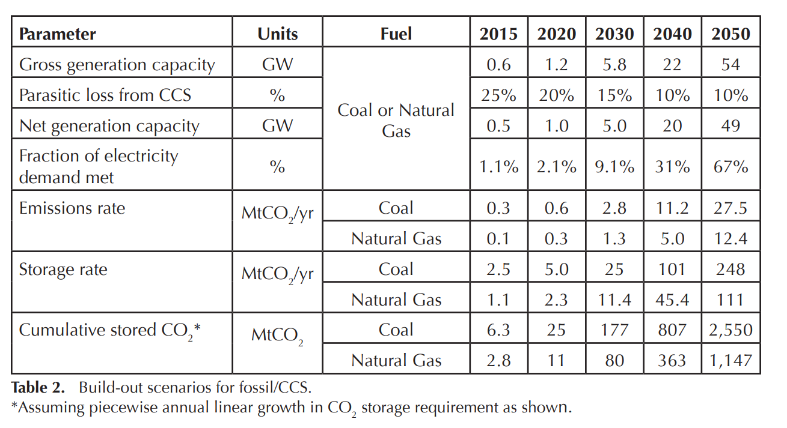

METHOD
1. Sum coal and natural gas potential
 |  | 2015 | 2020 | 2030 | 2040 | 2050
 | Coal and gas | 3.6 | 7.3 | 36.4 | 146.4 | 359

2. Interpolate to impute annual values

 | 5 year incremental change |  | 0.74

 |  | 2015 | 2016 | 2017 | 2018 | 2019 | 2020
 |  | 3.6 | 4.34 | 5.08 | 5.82 | 6.56 | 7.3 | MMT
 |  | 3600000 | 4340000 | 5080000 | 5820000 | 6560000 | 7300000

 |  | 2020 | 2021 | 2022 | 2023 | 2024 | 2025 | 2026 | 2027 | 2028 | 2029 | 2030
 |  | 7.3 | 18.3 | 29.3 | 40.3 | 51.3 | 62.3 | 73.3 | 84.3 | 95.3 | 106.3 | 117.3 | MMT
 |  | 7300000 | 18300000 | 29300000 | 40300000 | 51300000 | 62300000 | 73300000 | 84300000 | 95300000 | 106300000 | 117300000

 | 10 year incremement |  | 11

 |  | 2030 | 2031 | 2032 | 2033 | 2034 | 2035 | 2036 | 2037 | 2038 | 2039 | 2040
 |  | 36.4 | 47.4 | 58.4 | 69.4 | 80.4 | 91.4 | 102.4 | 113.4 | 124.4 | 135.4 | 146.4 | MMT
 |  | 3640000 | 4740000 | 5840000 | 6940000 | 8040000 | 9140000 | 10240000 | 11340000 | 12440000 | 13540000 | 14640000

 | 10 year incremement |  | 21.26

 |  | 2040 | 2041 | 2042 | 2043 | 2044 | 2045 | 2046 | 2047 | 2048 | 2049 | 2050
 |  | 146.4 | 167.66 | 188.92 | 210.18 | 231.44 | 252.7 | 273.96 | 295.22 | 316.48 | 337.74 | 359 | MMT
 |  | 146400000 | 167660000 | 188920000 | 210180000 | 231440000 | 252700000 | 273960000 | 295220000 | 316480000 | 337740000 | 359000000

